NBCC_I-7
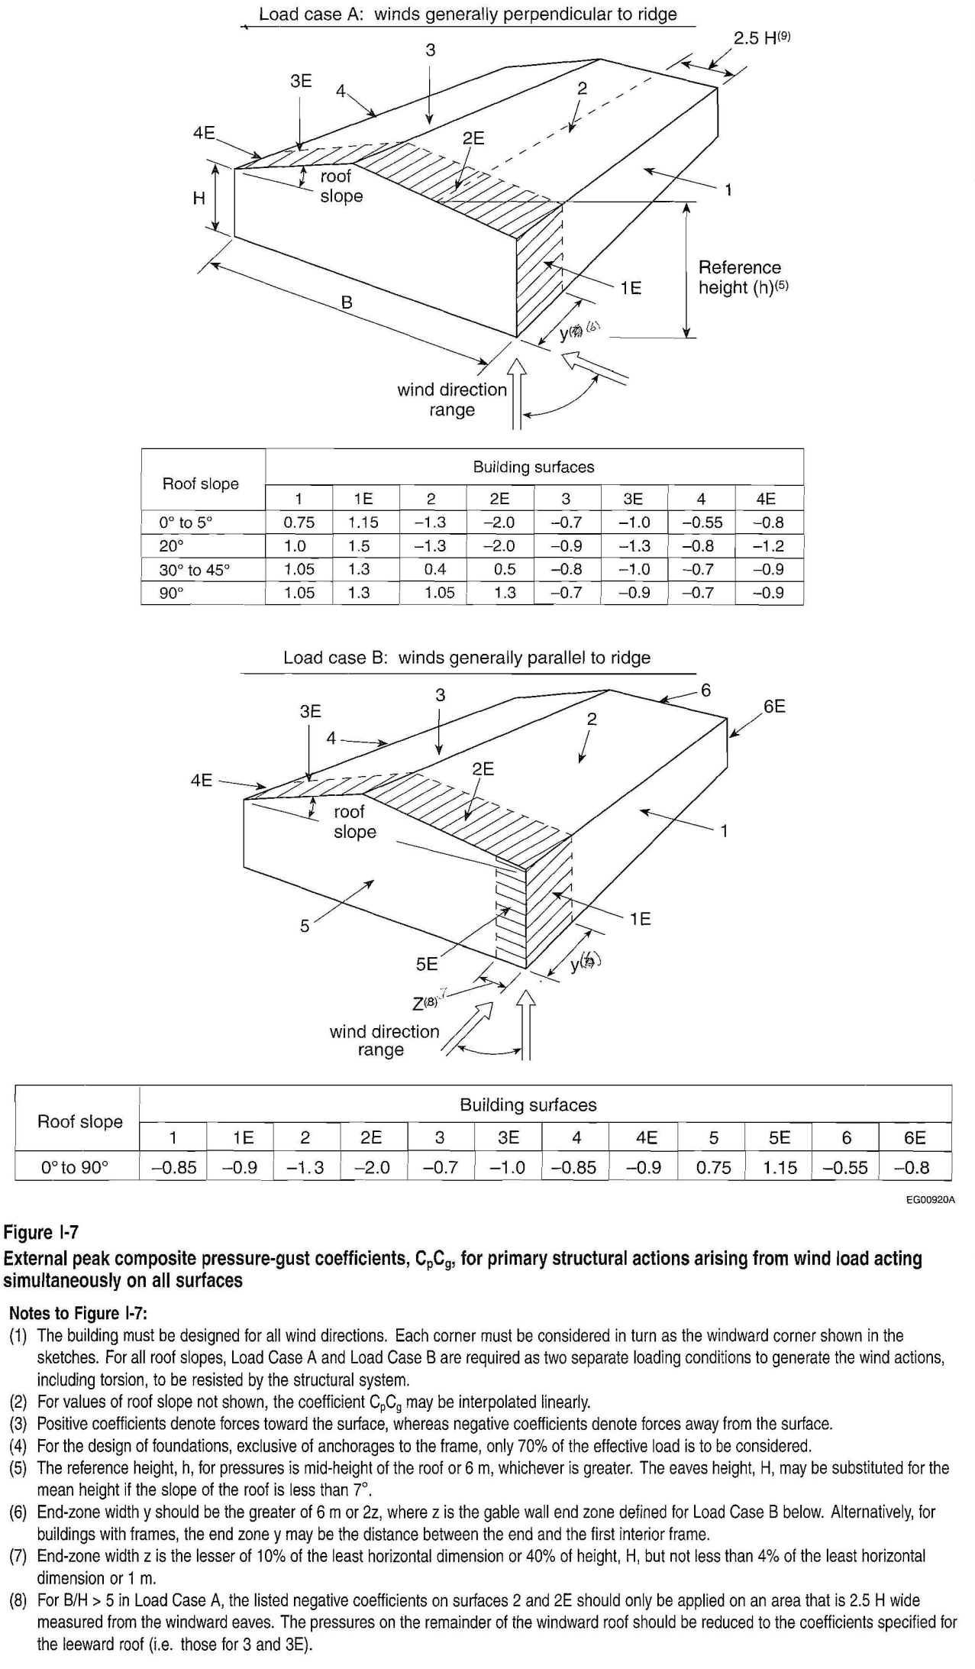
 | description |  |  | formula |  |  |  |  |  | value | units | reference

 | Bldg width, ┴ to ridge |  |  | W |  |  |  |  |  | 11.0 | m | given
 | Bldg length, || to ridge |  |  | L |  |  |  |  |  | 27.4 | m | given
 | Eave height |  |  | hw |  |  |  |  |  | 1.5 | m | given
 | Total building height |  |  | h | = hw + hr |  |  |  |  | 3.3 | m | given
 | Roof slope |  |  | θ |  |  |  |  |  | 18.4 | ° | given
 | Reference height |  |  | H | = avg(hw, h) |  |  |  |  | 2.4 | m | NBCC-2005 |  | Fig. I-7
 | Smaller plan dimension |  |  | Ds | = min(W,L) |  |  |  |  | 11.0 | m | NBCC-2005 |  | Table I-2
 | Validity checks |  |  | hw/Ds < 1 |  |  |  |  |  | TRUE
 |  |  |  | hw ≤ 20 m |  |  |  |  |  | TRUE
 | Internal pressure coefficient, range |  |  | Cpi | 3 |  |  |  |  |  |  | NBCC-2005 |  | I-31 |  | Category | Cpi
 |  |  |  |  | Case 1, min |  |  |  |  | -0.7 |  |  |  |  |  |  | min | max
 |  |  |  |  | Case 2, max |  |  |  |  | 0.7 |  |  |  |  |  | Category 1 | -0.15 | 0.00
 | Importance factor |  |  | I |  |  |  |  |  | 0.80 |  | NBCC-2005 |  | Table 4.1.7.1 |  | Category 2 | -0.45 | 0.30
 | 1/50 yr reference velocity pressure |  |  | q |  |  |  |  |  | 0.31 | kPa | NBCC-2005 |  | Table C-2 |  | Category 3 | -0.70 | 0.70
 | Exposure coefficient |  |  | Ce |  |  |  |  |  | 0.90 |  | NBCC-2005 |  | 4.1.7.1(5)
 |  |  |  |  | = 0.7(H/12)0.3 ≥ 0.7 if sheltered = (H/10)0.2 ≥ 0.9 if exposed

 | Gust factor |  | internal | Cgi |  |  |  |  |  | 2.0 |  | NBCC-2005 |  | 4.1.7.1(6)
 |  |  | external | Cg |  |  |  |  |  | 2.0
 | Wind pressure, external |  |  | pe | = I q Ce Cp Cg |  |  |  |  |  | kPa | NBCC-2005 |  | 4.1.7.1(1)
 | Wind pressure, internal |  |  | pi | = I q Ce Cpi Cgi |  |  |  |  |  | kPa | NBCC-2005 |  | 4.1.7.1(3)

 | Internal peak composite pressure-gust coefficients, CpiCgi
 | Load Case | Wind Angle, ϕ° | Roof Slope, θ° | Cpi Cgi

 | 1 | 0° - 90° | 0° - 90° | -1.4
 | 2 | 0° - 90° | 0° - 90° | 1.4

 | External peak composite pressure-gust coefficients, Cp Cg |  |  |  |  |  |  |  |  |  |  |  |  |  |  | Bldg Surfaces1
 | Load Case | Wind Angle, ϕ° | Roof Slope, θ° | Bldg Surface |  |  |  |  |  |  |  |  |  |  |  | eave wall, windward |  | 1
 |  |  |  | 1 | 1E | 2 | 2E | 3 | 3E | 4 | 4E | 5 | 5E | 6 | 6E | leading edge of 1 |  | 1E
 | A | 45° - 90° | 0° - 5° | 0.75 | 1.15 | -1.30 | -2.00 | -0.70 | -1.00 | -0.55 | -0.80 |  |  |  |  | roof, windward |  | 2
 |  |  | 20° | 1.00 | 1.50 | -1.30 | -2.00 | -0.90 | -1.30 | -0.80 | -1.20 |  |  |  |  | leading edge of 2 |  | 2E
 |  |  | 30° - 45° | 1.05 | 1.30 | 0.40 | 0.50 | -0.80 | -1.00 | -0.70 | -0.90 |  |  |  |  | roof, leeward |  | 3
 |  |  | 90° | 1.05 | 1.30 | 1.05 | 1.30 | -0.70 | -0.90 | -0.70 | -0.90 |  |  |  |  | leading edge of 3 |  | 3E
 |  |  | 18.4 | 0.97 | 1.46 | -1.30 | -2.00 | -0.88 | -1.27 | -0.77 | -1.16 |  |  |  |  | eave wall, leeward |  | 4
 | B | 0° - 45° | 0° - 90° | -0.85 | -0.90 | -1.30 | -2.00 | -0.70 | -1.00 | -0.85 | -0.90 | 0.75 | 1.15 | -0.55 | -0.80 | leading edge of 4 |  | 4E
 |  |  |  |  |  |  |  |  |  |  |  |  |  |  |  | gable wall, windward |  | 5
 | Peak wind pressure, WL = pe - pi = Iw q Ce (CpCg - CpiCgi) (kPa) |  |  |  |  |  |  |  |  |  |  |  |  |  |  | leading edge of 5 |  | 5E
 | Load Case | Wind Angle, ϕ° | Roof Slope, θ° | Bldg Surface |  |  |  |  |  |  |  |  |  |  |  | gable wall, leeward |  | 6
 |  |  |  | 1 | 1E | 2 | 2E | 3 | 3E | 4 | 4E | 5 | 5E | 6 | 6E | leading edge of 6 |  | 6E
 | A1 | 45° - 90° | 18.4 | 0.53 | 0.64 | 0.02 | -0.13 | 0.12 | 0.03 | 0.14 | 0.05
 | A2 |  |  | -0.10 | 0.01 | -0.60 | -0.76 | -0.51 | -0.60 | -0.49 | -0.57
 | B1 | 0° - 45° | 0° - 90° | 0.12 | 0.11 | 0.02 | -0.13 | 0.16 | 0.09 | 0.12 | 0.11 | 0.48 | 0.57 | 0.19 | 0.13
 | B2 |  |  | -0.50 | -0.51 | -0.60 | -0.76 | -0.47 | -0.54 | -0.50 | -0.51 | -0.15 | -0.06 | -0.44 | -0.49
 | min |  |  | -0.50 | -0.51 | -0.60 | -0.76 | -0.51 | -0.60 | -0.50 | -0.57 | -0.15 | -0.06 | -0.44 | -0.49
 | max |  |  | 0.53 | 0.64 | 0.02 | -0.13 | 0.16 | 0.09 | 0.14 | 0.11 | 0.48 | 0.57 | 0.19 | 0.13

notes:
1) | Wind Angle: Wind angle is measured relative to the ridge of the building. Parallel wind is at an angle of 0°; perpendicular wind is at an angle of 90°.

2) | Sign convention: NBCC-2005 treats pressure directed towards the surface of the building as positive and pressure directed away from the surface (suction) as negative.

3) | Categories: As per NBCC-2005, Commentary I-31: Category 1 - buildings without any large or significant openings, but having small uniformly distributed openings amounting to less than 0.1% of total surface area (i.e. a high-rise building that is normally sealed) Category 2 - buildings in which significant openings, if there are any, can be relied on to be closed during storms but in which background leakage may not be uniformly distributed (i.e. typical low-rise buildings or high-rise buildings with operable windows or balcony doors) Category 3 - buildings with large or significant openings through which gusts are transmitted to the interior (i.e. sheds with one or more open sides, industrial buildings with shipping doors or ventilations systems that are likely to be open during a storm or not fully resistant to design wind loads)

4) | Reference: NBCC-2005, Commentary I, Figure I-7.

NBCC_G-1
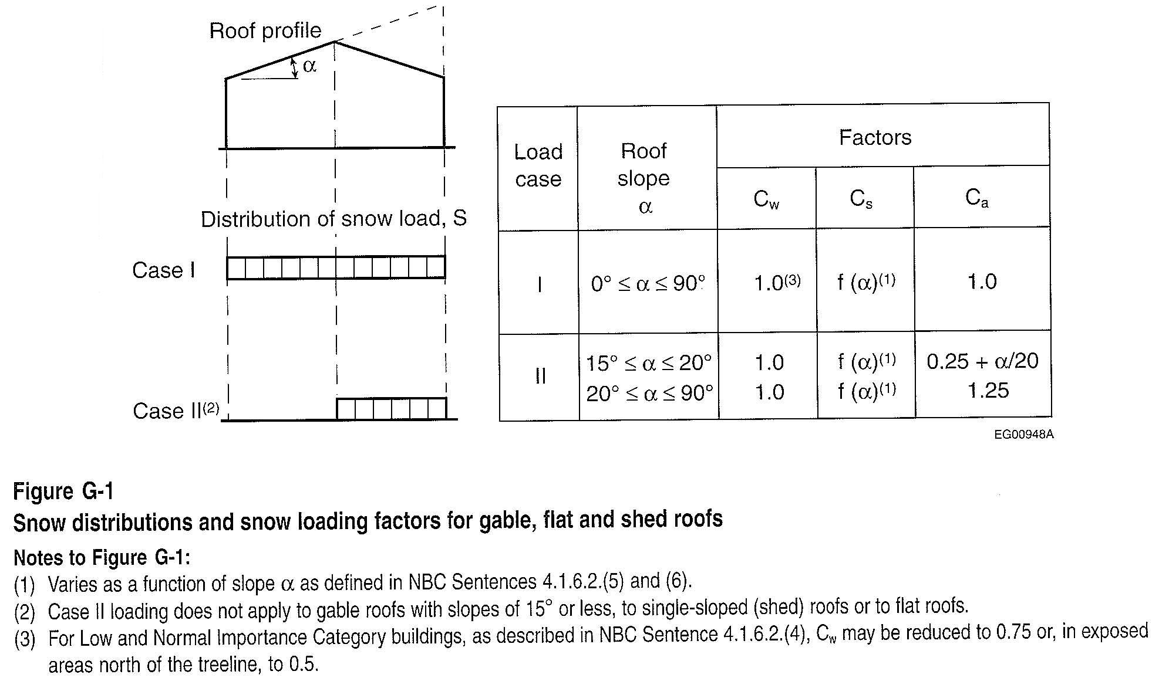
 |  | formula |  | value | units | reference |  | Importance category | I
 |  |  |  |  |  |  |  | Low | 0.8
common input | roof slope | θ |  | 18.4 | ° | given |  | Normal | 1.0
 | importance factor | I | 1 | 0.80 |  | NBCC-2005 | Table 4.1.6.2 | High | 1.15
 | 1-in-50-year ground snow load | Ss |  | 3.0 | kPa | NBCC-2005 | Table C-2 | Post-disaster | 1.25
 | 1-in-50-year associated rain load | Sr |  | 0.1 | kPa | NBCC-2005 | Table C-2
 | bldg width | W |  | 10.973 | m | given |  | Roof type
 | bldg length | L |  | 27.432 | m |  |  | Normal
 | bldg area | A |  | 301.0 | m2 | given |  | Unobstructed & slippery
Part 4 | basic roof snow load factor | Cb4 |  | 0.8 |  | NBCC-2005 | 4.1.6.2.(2)
 | wind exposure factor | Cw | 2 | 0.75 |  | NBCC-2005 | 4.1.6.2.(3) | Exposure | Cw
 | slope factor, regular roof | Cs | 2 | 0.924 |  | NBCC-2005 | 4.1.6.2.(5) | Sheltered | 1.00
 |  |  | = 1.0 for θ≤15° = (60° - θ)/45° = 0 for θ>60° |  |  |  |  | Exposed | 0.75
 |  |  |  |  |  |  |  | Exposed, north of treeline | 0.50

 | shape factor, Case I: balanced | Cab | = 1.0 | 1.0 |  | NBCC-2005 | 4.1.6.2.(8)
 | shape factor, Case II: unbalanced | Cau | = N/A for θ<15° = 0.25 + θ/20 = 1.25 for θ>20° | 1.172 |  | NBCC-2005 | Commentary G

 | specified snow load, balanced | Sb | = I (Ss (Cb4 Cw Cs Cab) + Sr) | 1.410 | kPa | NBCC-2005 | 4.1.6.2
 | specified snow load, unbalanced | Su | = I (Ss (Cb4 Cw Cs Cau) + Sr) | 1.639 | kPa | NBCC-2005 | 4.1.6.2
Part 9 | validity checks for application of Part 9 snow load | W ≤ 12.2 m |  | Part 9 ok
 |  | A ≤ 4,550 m2 |  | Part 9 ok
 | basic roof snow load factor | Cb9 | = if(W<4.3m,0.45,0.55) | 0.55 |  | NBCC-2005 | 9.4.2.2
 | specified snow load, balanced | S | = max(1, Cb9 Ss + Sr) | 1.750 | kPa | NBCC-2005 | 9.4.2.2

